TEPX-M1
Level of manifolding | 1
Statepoint | L [m] | OD [mm] | ID [mm] | Q [W] | Pipe roughness Ep (um) | Routing | Volume | Liquid volume (m^3) | Vapour volume(m^3) | heat load (kW) | ph heat load (kW)
Section number | 5.00 | Nbranches= | 1.00 | MLevel= | 0.00 |  |  | 0.00030761601723 | 0.00044872442296 | 1.8795 | 0.128
300 | 3.28 | 12.700 | 10.20 |  | 20.00 |  | 0.00026835308832
Section number | 6.00 | Nbranches= | 1.00 | MLevel= | 0.00
400 | 1.26 | 8.000 | 6.00 |  | 20.00 |  | 3.5535182823E-05
Section number | 8 | Nbranches= | 8.00 | MLevel= | 1.00 |  |  |  |  |  |  | Section number in this diagram correspond to the ones in column B
410 | 0.72 | 2.200 | 0.72 |  | 20.00 | TEPX 11 Top | 2.9225256279E-07
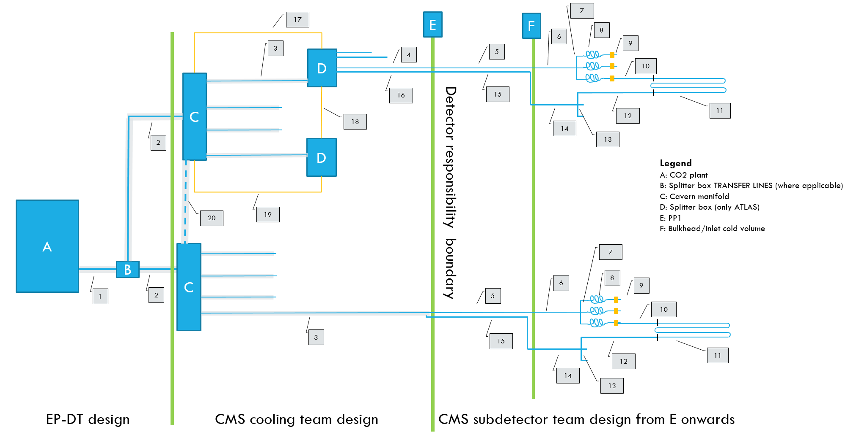
410 | 0.72 | 2.200 | 0.72 |  | 20.00 | TEPX 11 Bottom | 2.9225256279E-07
410 | 0.72 | 2.200 | 0.72 |  | 20.00 | TEPX 12 Top | 2.9225256279E-07
410 | 0.72 | 2.200 | 0.72 |  | 20.00 | TEPX 12 Bottom | 2.9225256279E-07
410 | 0.72 | 2.200 | 0.72 |  | 20.00 | TEPX 21 Top | 2.9332336837E-07
410 | 0.72 | 2.200 | 0.72 |  | 20.00 | TEPX 21 Bottom | 2.9332336837E-07
410 | 0.72 | 2.200 | 0.72 |  | 20.00 | TEPX 22 Top | 2.9332336837E-07
410 | 0.72 | 2.200 | 0.72 |  | 20.00 | TEPX 22 Bottom | 2.9332336837E-07
Section number | 9 | Nbranches= | 8.00 | MLevel= | 1.00
420 | 0.05 | 2.300 | 2.10 | 16.000 | 20.00 | TEPX 11 Top | 1.7318029503E-07
420 | 0.05 | 2.300 | 2.10 | 16.000 | 20.00 | TEPX 11 Bottom | 1.7318029503E-07
420 | 0.05 | 2.300 | 2.10 | 16.000 | 20.00 | TEPX 12 Top | 1.7318029503E-07
420 | 0.05 | 2.300 | 2.10 | 16.000 | 20.00 | TEPX 12 Bottom | 1.7318029503E-07
420 | 0.05 | 2.300 | 2.10 | 16.000 | 20.00 | TEPX 21 Top | 1.7318029503E-07
420 | 0.05 | 2.300 | 2.10 | 16.000 | 20.00 | TEPX 21 Bottom | 1.7318029503E-07
420 | 0.05 | 2.300 | 2.10 | 16.000 | 20.00 | TEPX 22 Top | 1.7318029503E-07
420 | 0.05 | 2.300 | 2.10 | 16.000 | 20.00 | TEPX 22 Bottom | 1.7318029503E-07
Section number | 10.00 | Nbranches= | 8.00 | MLevel= | 1.00
430 | 1.150 | 2.300 | 2.10 | 16.250 | 20.00 | TEPX 11 Top | 3.9831467857E-06
430 | 1.150 | 2.300 | 2.10 | 16.250 | 20.00 | TEPX 11 Bottom | 3.9831467857E-06
430 | 1.150 | 2.300 | 2.10 | 16.250 | 20.00 | TEPX 12 Top | 3.9831467857E-06
430 | 1.150 | 2.300 | 2.10 | 16.250 | 20.00 | TEPX 12 Bottom | 3.9831467857E-06
430 | 0.950 | 2.300 | 2.10 | 16.250 | 20.00 | TEPX 21 Top | 3.2904256056E-06
430 | 0.950 | 2.300 | 2.10 | 16.250 | 20.00 | TEPX 21 Bottom | 3.2904256056E-06
430 | 0.950 | 2.300 | 2.10 | 16.250 | 20.00 | TEPX 22 Top | 3.2904256056E-06
430 | 0.950 | 2.300 | 2.10 | 16.250 | 20.00 | TEPX 22 Bottom | 3.2904256056E-06
Section number | 11 | Nbranches= | 8.00 | MLevel= | 1.00
500 | 1.881 | 2.300 | 2.10 | 234.9375 | 20.00 | TEPX 11 Top | 6.515042699E-06
500 | 1.888 | 2.300 | 2.10 | 234.9375 | 20.00 | TEPX 11 Bottom | 6.5392879403E-06
500 | 1.881 | 2.300 | 2.10 | 234.9375 | 20.00 | TEPX 12 Top | 6.515042699E-06
500 | 1.888 | 2.300 | 2.10 | 234.9375 | 20.00 | TEPX 12 Bottom | 6.5392879403E-06
500 | 1.881 | 2.300 | 2.10 | 234.9375 | 20.00 | TEPX 21 Top | 6.515042699E-06
500 | 1.888 | 2.300 | 2.10 | 234.9375 | 20.00 | TEPX 21 Bottom | 6.5392879403E-06
500 | 1.881 | 2.300 | 2.10 | 234.9375 | 20.00 | TEPX 22 Top | 6.515042699E-06
500 | 1.888 | 2.300 | 2.10 | 234.9375 | 20.00 | TEPX 22 Bottom | 6.5392879403E-06
Section number | 12 | Nbranches= | 8.00 | MLevel= | 1.00
600 | 1.150 | 3.500 | 3.00 |  | 20.00 | TEPX 11 Top | 8.1288709912E-06
600 | 1.150 | 3.500 | 3.00 |  | 20.00 | TEPX 11 Bottom | 8.1288709912E-06
600 | 1.150 | 3.500 | 3.00 |  | 20.00 | TEPX 12 Top | 8.1288709912E-06
600 | 1.150 | 3.500 | 3.00 |  | 20.00 | TEPX 12 Bottom | 8.1288709912E-06
600 | 0.950 | 3.500 | 3.00 |  | 20.00 | TEPX 21 Top | 6.715154297E-06
600 | 0.950 | 3.500 | 3.00 |  | 20.00 | TEPX 21 Bottom | 6.715154297E-06
600 | 0.950 | 3.500 | 3.00 |  | 20.00 | TEPX 22 Top | 6.715154297E-06
600 | 0.950 | 3.500 | 3.00 |  | 20.00 | TEPX 22 Bottom | 6.715154297E-06
Section number | 14.00 | Nbranches= | 1.00 | MLevel= | 0.00
700 | 1.18 | 8.000 | 6.00 |  | 20.00 |  | 3.3236479479E-05
Section number | 15.00 | Nbranches= | 1.00 | MLevel= | 0.00
800 | 3.36 | 12.700 | 10.20 |  | 20.000 |  | 0.00027480023021

 |  |  |  | Power in section 9 is the contribution of preheaters according to the estimation in specification document
 |  |  |  | Power in section 10 is the contribution of cables+portcards
 |  |  |  | Power in section 11 is the end-of-life contribution of chip+module leakage

